Test Cases
TC#1.1 Sign up with all valid credentials (POSITIVE)

PreConditions:
Tes Case Description: | As a visitor I want to see a second registration step
PostConditions:
Test Data

# | Action | Expected Result | Test Result (passed/failed/blocked)
1 | Open https://en.expekt.com/register as visitor | The registration form is opened in the cms
2 | Fill the form "login details" using Test data 1 | Test data 1 is added
3 | Fill the form "personal details" using Test data 2 | Test data 2 is added
4 | Check all boxes at the form "Additional information" | all boxes are checked
5 | Press the button "Create my account" | The select method of payment page is opened

TC#1.6 Sign up with the maximum possible number of characters in the login (POSITIVE)

PreConditions:
Tes Case Description: | As a visitor I want to see a second registration step
PostConditions:
Test Data

# | Action | Expected Result | Test Result (passed/failed/blocked)
1 | Open https://en.expekt.com/register as visitor | The registration form is opened in the cms
2 | Fill the login field with "hjkjhjkjhkjhkjhkjhkjhdfgdfgdfgkjhdfgkjhdfgkjhdfkjhdfgjkhdfkgjhdfkjghdfkjhdfkjghdkfjhgdkjfhgkdjfhgkdjfhgkdjfhgkdjfhgkdjfhgkdjfghdkfjdfg" | "hjkjhjkjhkjhkjhkjhkjhdfgdfgdfgkjhdfgkjhdfgkjhdfkjhdfgjkhdfkgjhdfkjghdfkjhdfkjghdkfjhgdkjfhgkdjfhgkdjfhgkdjfhgkdjfhgkdjfhgkdjfghdkfjdfg" is added
3 | Fill the rest of form "login details" using Test data 3 | Test data 3 is added
4 | Fill the form "personal details" using Test data 4 | Test data 4 is added
5 | Check all boxes at the form "Additional information" | all boxes are checked
6 | Press the button "Create my account" | The select method of payment page is opened

TC#3.1 Contact the support by the form "By Chat" (POSITIVE)

PreConditions:
Tes Case Description: | As a visitor I want to contact to support operator immediately
PostConditions:
Test Data

# | Action | Expected Result | Test Result (passed/failed/blocked)
1 | Open https://en.expekt.com/register as visitor | The registration form is opened in the cms
2 | Press the button "Click here" near the tab "By Chat" | The Chat window is opened
3 | Fill the field "Your Username" | Username is added
4 | Select the reason for contacting from the drop-down list | The reason for contacting is selected
5 | Press the button "Submit" | The main chat window is opened

TC#1.5 Sign up with filling forms by cyrillic alphabet (NEGATIVE)

PreConditions:
Tes Case Description: | As a visitor I want to see a second registration step
PostConditions:
Test Data

# | Action | Expected Result | Test Result (passed/failed/blocked)
1 | Open https://en.expekt.com/register as visitor | The registration form is opened in the cms
2 | Fill the form "login details" using Test data 6 without Username | Test data 6 is added
3 | Fill the field "Username" with "Петр" | Еhe system does not allow the use of Cyrillic characters

TC#2.1 Registration form is the same when localisation is changed (NEGATIVE)

PreConditions:
Tes Case Description: | As a visitor I want to see the same registration form
PostConditions:
Test Data

# | Action | Expected Result | Test Result (passed/failed/blocked)
1 | Open https://en.expekt.com/register as visitor | The registration form is opened in the cms
2 | Press the icon for change localisation to Deutsch | The registration form is the same
3 | Press the icon for change localisation to Suomeksi | The registration form is the same
4 | Press the icon for change localisation to Europe | The registration form is the same
5 | Press the icon for change localisation to Norsk | The registration form is the same
6 | Press the icon for change localisation to Polski | The registration form is the same
7 | Press the icon for change localisation to Svenska | The registration form is the same | Failed (page is redirected to another address)

Bug Report for TC#2.1

PreConditions:
Bug Report Description: | Registration form is redirected when localisation is changed to Svenska
PostConditions:
Test Data

# | Steps to Reproduce | Expected Result | Actual Result
1 | Open https://en.expekt.com/register as visitor | The registration form is opened in the cms
2 | Press the icon for change localisation to Deutsch | The registration form is the same | The registration form is the same
3 | Press the icon for change localisation to Suomeksi | The registration form is the same | The registration form is the same
4 | Press the icon for change localisation to Europe | The registration form is the same | The registration form is the same
5 | Press the icon for change localisation to Norsk | The registration form is the same | The registration form is the same
6 | Press the icon for change localisation to Polski | The registration form is the same | The registration form is the same
7 | Press the icon for change localisation to Svenska | The registration form is the same | The registration form is redirected to the https://www.expekt.se/sport-odds/
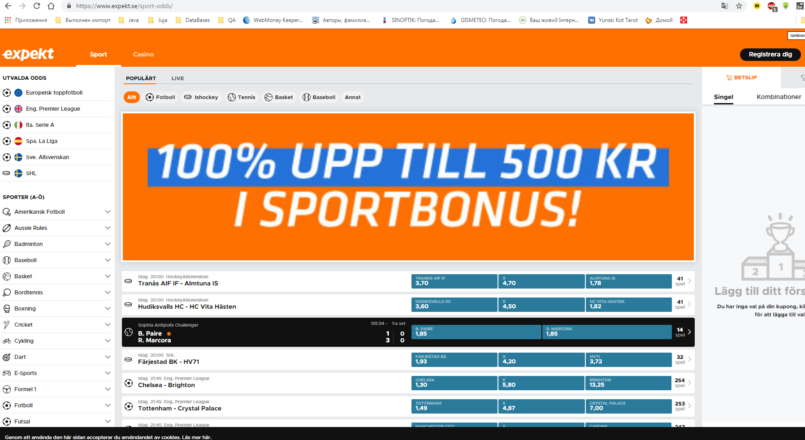
ATTACHMENT:

